ADIDAS
 |  |  |  |  |  |  |  |  |  |  |  |  |  | 10150 |  | €383,359.45 |  | €765,599.69
PHOTO | BRAND | GENDER | MACROCATEGORY | SUBCATEGORY | SEASON | EAN CODE | ARTICLE CODE | SKU CODE | ARTICLE NAME | COLOUR | SIZE | MADE IN | COMPOSITION | QTY | WHS UNIT | WHS TOTAL | RETAIL UNIT | RETAIL TOTAL
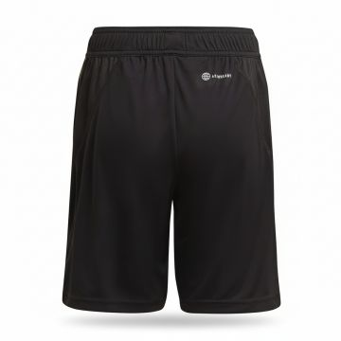 | Adidas | Kids | Boy clothing | Shorts | FW | 04065429410294 | HF3998-BLACK | HF3998-BLACK-116 | Adidas DFB Training Shorts Black | BLACK | 116 | KH | 100% REC.PES | 1 | €22.50 | €22.50 | €45.00 | €45.00
 | Adidas | Kids | Boy clothing | Shorts | FW | 04065429410256 | HF3998-BLACK | HF3998-BLACK-128 | Adidas DFB Training Shorts Black | BLACK | 128 | KH | 100% REC.PES | 2 | €22.50 | €45.00 | €45.00 | €90.00
 | Adidas | Kids | Boy clothing | Shorts | FW | 04065429410287 | HF3998-BLACK | HF3998-BLACK-140 | Adidas DFB Training Shorts Black | BLACK | 140 | KH | 100% REC.PES | 1 | €22.50 | €22.50 | €45.00 | €45.00
 | Adidas | Kids | Boy clothing | Shorts | FW | 04065429410300 | HF3998-BLACK | HF3998-BLACK-152 | Adidas DFB Training Shorts Black | BLACK | 152 | KH | 100% REC.PES | 3 | €22.50 | €67.50 | €45.00 | €135.00
 | Adidas | Kids | Boy clothing | Shorts | FW | 04065429410249 | HF3998-BLACK | HF3998-BLACK-164 | Adidas DFB Training Shorts Black | BLACK | 164 | KH | 100% REC.PES | 1 | €22.50 | €22.50 | €45.00 | €45.00
 | Adidas | Kids | Boy clothing | Shorts | FW | 04065429410270 | HF3998-BLACK | HF3998-BLACK-176 | Adidas DFB Training Shorts Black | BLACK | 176 | KH | 100% REC.PES | 2 | €22.50 | €45.00 | €45.00 | €90.00
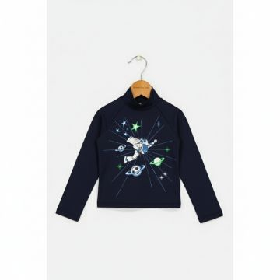 | Adidas | Kids | Boy clothing | Long Sleeve T-shirts | FW | 04065423869197 | HF5405-BLUE | HF5405-BLUE-140 | Adidas Disney Buzz Lightyear Navy Turtleneck | Blue | 140 | China | 80% REC.PA/20% EL | 8 | €27.50 | €220.00 | €55.00 | €440.00
 | Adidas | Kids | Boy clothing | Long Sleeve T-shirts | FW | 04065423869265 | HF5405-BLUE | HF5405-BLUE-152 | Adidas Disney Buzz Lightyear Navy Turtleneck | Blue | 152 | China | 80% REC.PA/20% EL | 4 | €27.50 | €110.00 | €55.00 | €220.00
 | Adidas | Kids | Boy clothing | Long Sleeve T-shirts | FW | 04065423869210 | HF5405-BLUE | HF5405-BLUE-98 | Adidas Disney Buzz Lightyear Navy Turtleneck | Blue | 98 | China | 80% REC.PA/20% EL | 2 | €27.50 | €55.00 | €55.00 | €110.00
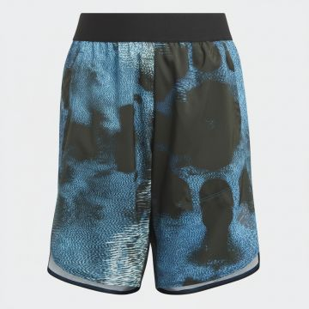 | Adidas | Kids | Boy clothing | Shorts | FW | 04065429243960 | HM4755-WHITE | HM4755-WHITE-128 | Adidas Boys Printed Athletic Shorts Blue Black | Blue_Black | 128 | PH | 100% PES | 1 | €14.85 | €14.85 | €29.70 | €29.70
 | Adidas | Kids | Boy clothing | Shorts | FW | 04065429243977 | HM4755-WHITE | HM4755-WHITE-152 | Adidas Boys Printed Athletic Shorts Blue Black | Blue_Black | 152 | PH | 100% PES | 2 | €14.85 | €29.70 | €29.70 | €59.40
 | Adidas | Kids | Boy clothing | Shorts | FW | 04065429243939 | HM4755-WHITE | HM4755-WHITE-176 | Adidas Boys Printed Athletic Shorts Blue Black | Blue_Black | 176 | PH | 100% PES | 2 | €14.85 | €29.70 | €29.70 | €59.40
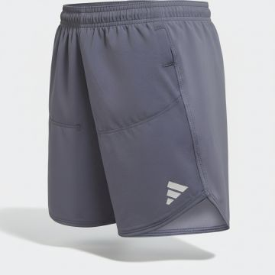 | Adidas | Kids | Boy clothing | Shorts | SS | 04066752450476 | IC5398-SILVER | IC5398-SILVER-116 | Adidas Boys Athletic Silver Shorts | SILVER | 116 | Cambodia | 89% REC.PES/11% EL | 4 | €20.00 | €80.00 | €40.00 | €160.00
 | Adidas | Kids | Boy clothing | Shorts | SS | 04066752450452 | IC5398-SILVER | IC5398-SILVER-128 | Adidas Boys Athletic Silver Shorts | SILVER | 128 | Cambodia | 89% REC.PES/11% EL | 2 | €20.00 | €40.00 | €40.00 | €80.00
 | Adidas | Kids | Boy clothing | Shorts | SS | 04066752453392 | IC5398-SILVER | IC5398-SILVER-164 | Adidas Boys Athletic Silver Shorts | SILVER | 164 | Cambodia | 89% REC.PES/11% EL | 3 | €20.00 | €60.00 | €40.00 | €120.00
 | Adidas | Kids | Boy clothing | Short Sleeve Polo Shirts | SS | 04062057310965 | GC9763-GOLD | GC9763-GOLD-116 | Short Sleeve Polo Shirts JB 03 GR POLO | GOLD | 116 | India | 92% COTTON 6% ELASTOMULTIESTER 2% ELASTANE | 4 | €22.50 | €90.00 | €45.00 | €180.00
 | Adidas | Kids | Boy clothing | Short Sleeve Polo Shirts | SS | 04062057314864 | GC9763-GOLD | GC9763-GOLD-128 | Short Sleeve Polo Shirts JB 03 GR POLO | GOLD | 128 | India | 92% COTTON 6% ELASTOMULTIESTER 2% ELASTANE | 10 | €22.50 | €225.00 | €45.00 | €450.00
 | Adidas | Kids | Boy clothing | Short Sleeve Polo Shirts | SS | 04062057318480 | GC9763-GOLD | GC9763-GOLD-140 | Short Sleeve Polo Shirts JB 03 GR POLO | GOLD | 140 | India | 92% COTTON 6% ELASTOMULTIESTER 2% ELASTANE | 24 | €22.50 | €540.00 | €45.00 | €1,080.00
 | Adidas | Kids | Boy clothing | Short Sleeve Polo Shirts | SS | 04062057314772 | GC9763-GOLD | GC9763-GOLD-152 | Short Sleeve Polo Shirts JB 03 GR POLO | GOLD | 152 | India | 92% COTTON 6% ELASTOMULTIESTER 2% ELASTANE | 31 | €22.50 | €697.50 | €45.00 | €1,395.00
 | Adidas | Kids | Boy clothing | Short Sleeve Polo Shirts | SS | 04062057314802 | GC9763-GOLD | GC9763-GOLD-164 | Short Sleeve Polo Shirts JB 03 GR POLO | GOLD | 164 | India | 92% COTTON 6% ELASTOMULTIESTER 2% ELASTANE | 16 | €22.50 | €360.00 | €45.00 | €720.00
 | Adidas | Kids | Boy clothing | Short Sleeve Polo Shirts | SS | 04062057310804 | GC9763-GOLD | GC9763-GOLD-170 | Short Sleeve Polo Shirts JB 03 GR POLO | GOLD | 170 | India | 92% COTTON 6% ELASTOMULTIESTER 2% ELASTANE | 4 | €22.50 | €90.00 | €45.00 | €180.00
 | Adidas | Kids | Boy clothing | Short Sleeve Polo Shirts | SS | 04062057310866 | GC9763-GOLD | GC9763-GOLD-176 | Short Sleeve Polo Shirts JB 03 GR POLO | GOLD | 176 | India | 92% COTTON 6% ELASTOMULTIESTER 2% ELASTANE | 5 | €22.50 | €112.50 | €45.00 | €225.00
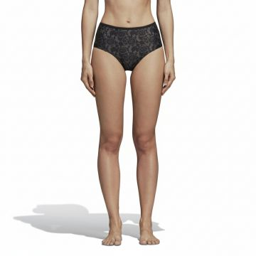 | Adidas | Women | Clothing | Underwear | FW | 04059807180688 | CZ3710-BLACK_GREEN | CZ3710-BLACK_GREEN-34 | Adidas Rose Pattern High-Waisted Briefs Black | Black_Green | 34 | China | 80% REC.PA/20% EOL | 4 | €27.50 | €110.00 | €55.00 | €220.00
 | Adidas | Women | Clothing | Underwear | FW | 04059807180718 | CZ3710-BLACK_GREEN | CZ3710-BLACK_GREEN-36 | Adidas Rose Pattern High-Waisted Briefs Black | Black_Green | 36 | China | 80% REC.PA/20% EOL | 3 | €27.50 | €82.50 | €55.00 | €165.00
 | Adidas | Women | Clothing | Underwear | FW | 04059807180671 | CZ3710-BLACK_GREEN | CZ3710-BLACK_GREEN-40 | Adidas Rose Pattern High-Waisted Briefs Black | Black_Green | 40 | China | 80% REC.PA/20% EOL | 1 | €27.50 | €27.50 | €55.00 | €55.00
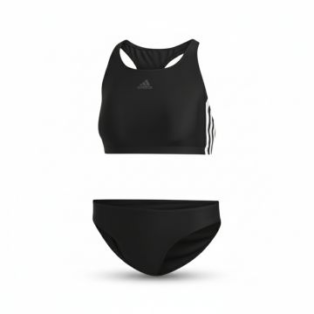 | Adidas | Women | Clothing | Bikini | FW | 04060515169179 | DQ3315-BLACK | DQ3315-BLACK-32 | Adidas Three Stripes Racerback Bikini Black | BLACK | 32 | Tunisia | 78% REC.PA/22% EL | 9 | €22.50 | €202.50 | €45.00 | €405.00
 | Adidas | Women | Clothing | Bikini | FW | 04060515169124 | DQ3315-BLACK | DQ3315-BLACK-34 | Adidas Three Stripes Racerback Bikini Black | BLACK | 34 | Tunisia | 78% REC.PA/22% EL | 42 | €22.50 | €945.00 | €45.00 | €1,890.00
 | Adidas | Women | Clothing | Bikini | FW | 04060515169131 | DQ3315-BLACK | DQ3315-BLACK-36 | Adidas Three Stripes Racerback Bikini Black | BLACK | 36 | Tunisia | 78% REC.PA/22% EL | 22 | €22.50 | €495.00 | €45.00 | €990.00
 | Adidas | Women | Clothing | Tank Top | SS | 04061623697455 | FH7989-MULTICOLOUR | FH7989-MULTICOLOUR-32 | Adidas Tropical Print Tank Romper Multicolour | Multicolour | 32 | China | 87% PES/13% EL | 2 | €40.00 | €80.00 | €80.00 | €160.00
 | Adidas | Women | Clothing | Tank Top | SS | 04061623693181 | FH7989-MULTICOLOUR | FH7989-MULTICOLOUR-44 | Adidas Tropical Print Tank Romper Multicolour | Multicolour | 44 | China | 87% PES/13% EL | 3 | €40.00 | €120.00 | €80.00 | €240.00
 | Adidas | Women | Clothing | Tank Top | SS | 04061623697301 | FH7989-MULTICOLOUR | FH7989-MULTICOLOUR-48 | Adidas Tropical Print Tank Romper Multicolour | Multicolour | 48 | China | 87% PES/13% EL | 1 | €40.00 | €40.00 | €80.00 | €80.00
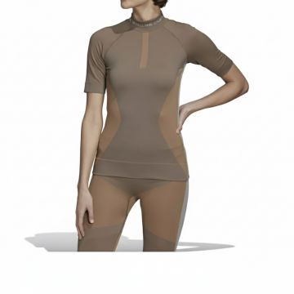 | Adidas | Women | Clothing | Short Sleeve T-shirts | SS | 04051043739040 | FI8310-BLACK | FI8310-BLACK-L | Adidas Run Knit Performance T-Shirt Brown | BROWN | L | China | 61% PA/33% PES/6% EL | 2 | €62.50 | €125.00 | €125.00 | €250.00
 | Adidas | Women | Clothing | Short Sleeve T-shirts | SS | 04051043739071 | FI8310-BLACK | FI8310-BLACK-M | Adidas Run Knit Performance T-Shirt Brown | BROWN | M | China | 61% PA/33% PES/6% EL | 4 | €62.50 | €250.00 | €125.00 | €500.00
 | Adidas | Women | Clothing | Short Sleeve T-shirts | SS | 04051043739064 | FI8310-BLACK | FI8310-BLACK-S | Adidas Run Knit Performance T-Shirt Brown | BROWN | S | China | 61% PA/33% PES/6% EL | 9 | €62.50 | €562.50 | €125.00 | €1,125.00
 | Adidas | Women | Clothing | Bikini | FW | 04062058593138 | FJ5092-BLACK | FJ5092-BLACK-32 | Adidas Beach Halter Bikini Black | BLACK | 32 | China | 78% REC.PA/22% Elasthane | 1 | €35.00 | €35.00 | €70.00 | €70.00
 | Adidas | Women | Clothing | Bikini | FW | 04062058593145 | FJ5092-BLACK | FJ5092-BLACK-34 | Adidas Beach Halter Bikini Black | BLACK | 34 | China | 78% REC.PA/22% Elasthane | 11 | €35.00 | €385.00 | €70.00 | €770.00
 | Adidas | Women | Clothing | Bikini | FW | 04062058593176 | FJ5092-BLACK | FJ5092-BLACK-36 | Adidas Beach Halter Bikini Black | BLACK | 36 | China | 78% REC.PA/22% Elasthane | 8 | €35.00 | €280.00 | €70.00 | €560.00
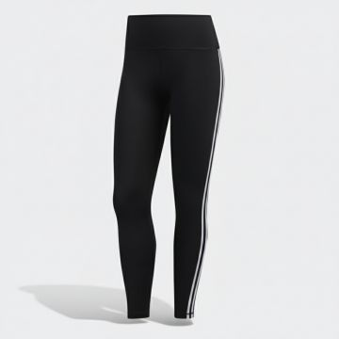 | Adidas | Women | Clothing | Leggings | FW | 04062055021740 | FJ7181-BLACK_WHITE | FJ7181-BLACK_WHITE-2XS | Adidas Side Stripe Athletic Leggings Black White | BLACK_WHITE | 2XS | CN | 64% PA/36% EL | 38 | €40.00 | €1,520.00 | €80.00 | €3,040.00
 | Adidas | Women | Clothing | Leggings | FW | 04062055025373 | FJ7181-BLACK_WHITE | FJ7181-BLACK_WHITE-S | Adidas Side Stripe Athletic Leggings Black White | BLACK_WHITE | S | CN | 64% PA/36% EL | 8 | €40.00 | €320.00 | €80.00 | €640.00
 | Adidas | Women | Clothing | Leggings | FW | 04062055025397 | FJ7181-BLACK_WHITE | FJ7181-BLACK_WHITE-XS | Adidas Side Stripe Athletic Leggings Black White | BLACK_WHITE | XS | CN | 64% PA/36% EL | 53 | €40.00 | €2,120.00 | €80.00 | €4,240.00
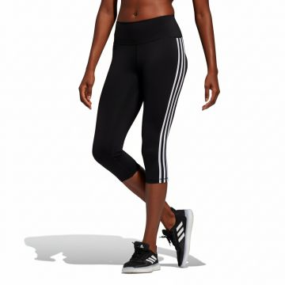 | Adidas | Women | Clothing | Leggings | FW | 04062055180348 | FJ7186-BLACK_WHITE | FJ7186-BLACK_WHITE-2XL | Adidas Three-Stripe Capri Leggings Black | BLACK_WHITE | 2XL | VN | 64% PA/36% EL | 10 | €37.50 | €375.00 | €75.00 | €750.00
 | Adidas | Women | Clothing | Leggings | FW | 04062055180331 | FJ7186-BLACK_WHITE | FJ7186-BLACK_WHITE-2XS | Adidas Three-Stripe Capri Leggings Black | BLACK_WHITE | 2XS | VN | 64% PA/36% EL | 58 | €37.50 | €2,175.00 | €75.00 | €4,350.00
 | Adidas | Women | Clothing | Leggings | FW | 04062055180317 | FJ7186-BLACK_WHITE | FJ7186-BLACK_WHITE-S | Adidas Three-Stripe Capri Leggings Black | BLACK_WHITE | S | VN | 64% PA/36% EL | 11 | €37.50 | €412.50 | €75.00 | €825.00
 | Adidas | Women | Clothing | Leggings | FW | 04062055180300 | FJ7186-BLACK_WHITE | FJ7186-BLACK_WHITE-XL | Adidas Three-Stripe Capri Leggings Black | BLACK_WHITE | XL | VN | 64% PA/36% EL | 3 | €37.50 | €112.50 | €75.00 | €225.00
 | Adidas | Women | Clothing | Leggings | FW | 04062055180294 | FJ7186-BLACK_WHITE | FJ7186-BLACK_WHITE-XS | Adidas Three-Stripe Capri Leggings Black | BLACK_WHITE | XS | VN | 64% PA/36% EL | 99 | €37.50 | €3,712.50 | €75.00 | €7,425.00
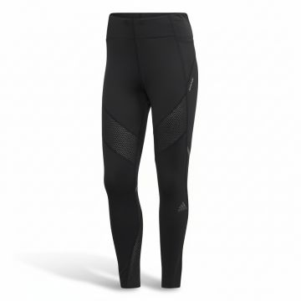 | Adidas | Women | Clothing | Leggings | SS | 00191983194418 | FM7643-BLACK | FM7643-BLACK-2XS | Adidas Mesh Panel Performance Leggings Black | BLACK | 2XS | Indonesia | 79% REC.PES/21% EL:Interlock:257: | 442 | €42.50 | €18,785.00 | €85.00 | €37,570.00
 | Adidas | Women | Clothing | Leggings | SS | 04062061794331 | FM7643-BLACK | FM7643-BLACK-S | Adidas Mesh Panel Performance Leggings Black | BLACK | S | Indonesia | 79% REC.PES/21% EL:Interlock:257: | 26 | €42.50 | €1,105.00 | €85.00 | €2,210.00
 | Adidas | Women | Clothing | Leggings | SS | 04062061548460 | FM7643-BLACK | FM7643-BLACK-XS | Adidas Mesh Panel Performance Leggings Black | BLACK | XS | Indonesia | 79% REC.PES/21% EL:Interlock:257: | 139 | €42.50 | €5,907.50 | €85.00 | €11,815.00
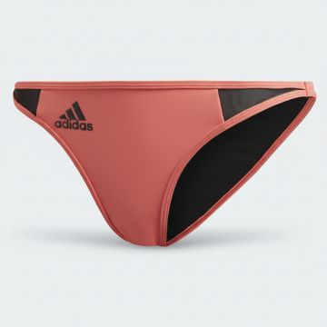 | Adidas | Women | Clothing | Bikini | FW | 04062061001750 | FS4600-RED_BLACK | FS4600-RED_BLACK-L | Adidas Performance Bikini Bottom Red Black | Red_Black | L | China | 85% REC.PES/15% EL | 3 | €15.00 | €45.00 | €30.00 | €90.00
 | Adidas | Women | Clothing | Bikini | FW | 04062061001729 | FS4600-RED_BLACK | FS4600-RED_BLACK-M | Adidas Performance Bikini Bottom Red Black | Red_Black | M | China | 85% REC.PES/15% EL | 7 | €15.00 | €105.00 | €30.00 | €210.00
 | Adidas | Women | Clothing | Bikini | FW | 04062061001743 | FS4600-RED_BLACK | FS4600-RED_BLACK-S | Adidas Performance Bikini Bottom Red Black | Red_Black | S | China | 85% REC.PES/15% EL | 11 | €15.00 | €165.00 | €30.00 | €330.00
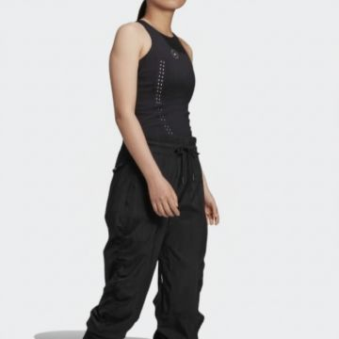 | Adidas | Women | Clothing | Tank Top | SS | 04062062828707 | FU0772-BLACK | FU0772-BLACK-2XS | Adidas Truepur Perforated Athletic Tank Black | BLACK | 2XS | China | 64% REC.PES/36% EL | 1 | €47.50 | €47.50 | €95.00 | €95.00
 | Adidas | Women | Clothing | Tank Top | SS | 04062062828714 | FU0772-BLACK | FU0772-BLACK-S | Adidas Truepur Perforated Athletic Tank Black | BLACK | S | China | 64% REC.PES/36% EL | 2 | €47.50 | €95.00 | €95.00 | €190.00
 | Adidas | Women | Clothing | Tank Top | SS | 04062062828721 | FU0772-BLACK | FU0772-BLACK-XS | Adidas Truepur Perforated Athletic Tank Black | BLACK | XS | China | 64% REC.PES/36% EL | 7 | €47.50 | €332.50 | €95.00 | €665.00
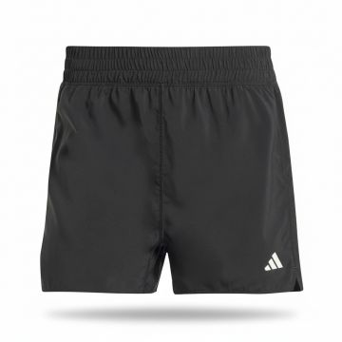 | Adidas | Women | Clothing | Shorts | FW | 04062065369474 | GK5191-BLACK_WHITE | GK5191-BLACK_WHITE-2XS3 | Adidas Run It Women's Athletic Shorts Black | BLACK_WHITE | 2XS3 | Vietnam | 100% REC.PES | 10 | €22.50 | €225.00 | €45.00 | €450.00
 | Adidas | Women | Clothing | Shorts | FW | 04062065369566 | GK5191-BLACK_WHITE | GK5191-BLACK_WHITE-XL3" | Adidas Run It Women's Athletic Shorts Black | BLACK_WHITE | XL3" | Vietnam | 100% REC.PES | 3 | €22.50 | €67.50 | €45.00 | €135.00
 | Adidas | Women | Clothing | Shorts | FW | 04062065373204 | GK5191-BLACK_WHITE | GK5191-BLACK_WHITE-XL4" | Adidas Run It Women's Athletic Shorts Black | BLACK_WHITE | XL4" | Vietnam | 100% REC.PES | 1 | €22.50 | €22.50 | €45.00 | €45.00
 | Adidas | Women | Clothing | Shorts | FW | 04062065369528 | GK5191-BLACK_WHITE | GK5191-BLACK_WHITE-XS3" | Adidas Run It Women's Athletic Shorts Black | BLACK_WHITE | XS3" | Vietnam | 100% REC.PES | 40 | €22.50 | €900.00 | €45.00 | €1,800.00
 | Adidas | Women | Clothing | Shorts | FW | 04062065373297 | GK5191-BLACK_WHITE | GK5191-BLACK_WHITE-XS4" | Adidas Run It Women's Athletic Shorts Black | BLACK_WHITE | XS4" | Vietnam | 100% REC.PES | 1 | €22.50 | €22.50 | €45.00 | €45.00
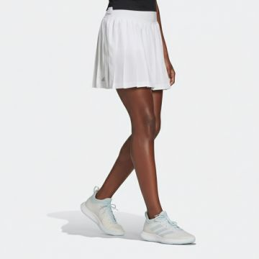 | Adidas | Women | Clothing | Skirts | FW | 04064044008220 | GL5469-WHITE | GL5469-WHITE-L | Adidas Club Tennis Skirt White | WHITE | L | Thailand | 100% POLYESTER | 3 | €23.81 | €71.43 | €50.00 | €150.00
 | Adidas | Women | Clothing | Skirts | FW | 04064044011756 | GL5469-WHITE | GL5469-WHITE-M | Adidas Club Tennis Skirt White | WHITE | M | Thailand | 100% POLYESTER | 10 | €23.81 | €238.10 | €50.00 | €500.00
 | Adidas | Women | Clothing | Skirts | FW | 04064044008213 | GL5469-WHITE | GL5469-WHITE-XS | Adidas Club Tennis Skirt White | WHITE | XS | Thailand | 100% POLYESTER | 22 | €23.81 | €523.82 | €50.00 | €1,100.00
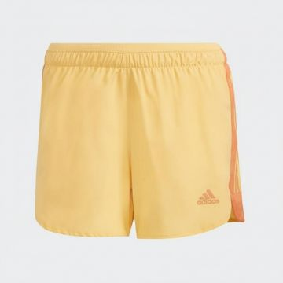 | Adidas | Women | Clothing | Shorts | FW | 04064044036353 | GM1589-RED | GM1589-RED-L 3" | Adidas Active Running Shorts Yellow | Red | L 3" | Vietnam | 100% REC.PES | 7 | €22.50 | €157.50 | €45.00 | €315.00
 | Adidas | Women | Clothing | Shorts | FW | 04064044036292 | GM1589-RED | GM1589-RED-M 3" | Adidas Active Running Shorts Yellow | Red | M 3" | Vietnam | 100% REC.PES | 11 | €22.50 | €247.50 | €45.00 | €495.00
 | Adidas | Women | Clothing | Shorts | FW | 04064044036308 | GM1589-RED | GM1589-RED-S 3" | Adidas Active Running Shorts Yellow | Red | S 3" | Vietnam | 100% REC.PES | 16 | €22.50 | €360.00 | €45.00 | €720.00
 | Adidas | Women | Clothing | Shorts | FW | 04064044036179 | GM1589-RED | GM1589-RED-XS3" | Adidas Active Running Shorts Yellow | Red | XS3" | Vietnam | 100% REC.PES | 7 | €22.50 | €157.50 | €45.00 | €315.00
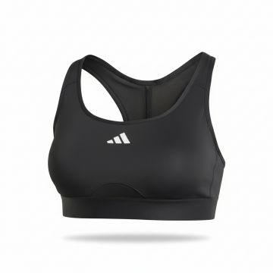 | Adidas | Women | Clothing | Bra | FW | 04064045878426 | GM3013-BLACK_WHITE | GM3013-BLACK_WHITE-2X | Adidas 3-Stripes Performance Sports Bra Black | BLACK_WHITE | 2X | Vietnam | 79% REC.PES/21% EL | 3 | €22.50 | €67.50 | €45.00 | €135.00
 | Adidas | Women | Clothing | Bra | FW | 04064045878457 | GM3013-BLACK_WHITE | GM3013-BLACK_WHITE-3X | Adidas 3-Stripes Performance Sports Bra Black | BLACK_WHITE | 3X | Vietnam | 79% REC.PES/21% EL | 3 | €22.50 | €67.50 | €45.00 | €135.00
 | Adidas | Women | Clothing | Bra | FW | 04064045878433 | GM3013-BLACK_WHITE | GM3013-BLACK_WHITE-4X | Adidas 3-Stripes Performance Sports Bra Black | BLACK_WHITE | 4X | Vietnam | 79% REC.PES/21% EL | 1 | €22.50 | €22.50 | €45.00 | €45.00
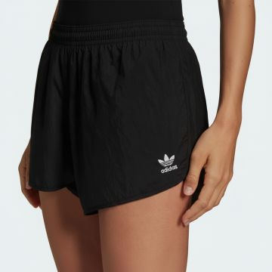 | Adidas | Women | Clothing | Shorts | SS | 04064044884305 | GN2885-BLACK | GN2885-BLACK-32 | Adidas Originals Athletic Running Shorts Black | BLACK | 32 | Vietnam | 100% REC.PA | 39 | €22.50 | €877.50 | €45.00 | €1,755.00
 | Adidas | Women | Clothing | Shorts | SS | 04064044884282 | GN2885-BLACK | GN2885-BLACK-34 | Adidas Originals Athletic Running Shorts Black | BLACK | 34 | Vietnam | 100% REC.PA | 97 | €22.50 | €2,182.50 | €45.00 | €4,365.00
 | Adidas | Women | Clothing | Shorts | SS | 04064044884206 | GN2885-BLACK | GN2885-BLACK-36 | Adidas Originals Athletic Running Shorts Black | BLACK | 36 | Vietnam | 100% REC.PA | 31 | €22.50 | €697.50 | €45.00 | €1,395.00
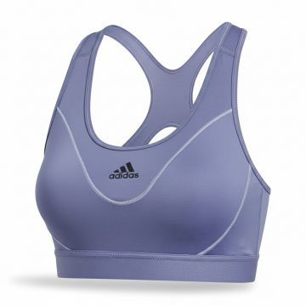 | Adidas | Women | Clothing | Bra | FW | 04064056926246 | GR8251-ORANGE | GR8251-ORANGE-2XS | Adidas Reflective Sports Bra Violet | Violet_White | 2XS | TH | 89% REC.PES/11% EL | 1 | €27.50 | €27.50 | €55.00 | €55.00
 | Adidas | Women | Clothing | Bra | FW | 04064056926178 | GR8251-ORANGE | GR8251-ORANGE-S | Adidas Reflective Sports Bra Violet | Violet_White | S | TH | 89% REC.PES/11% EL | 7 | €27.50 | €192.50 | €55.00 | €385.00
 | Adidas | Women | Clothing | Bra | FW | 04064056926239 | GR8251-ORANGE | GR8251-ORANGE-XS | Adidas Reflective Sports Bra Violet | Violet_White | XS | TH | 89% REC.PES/11% EL | 8 | €27.50 | €220.00 | €55.00 | €440.00
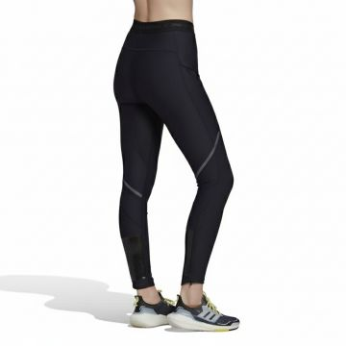 | Adidas | Women | Clothing | Leggings | FW | 04064055183039 | GT3118-BLACK | GT3118-BLACK-2XS | Adidas COLD.RDY Performance Leggings Black | BLACK | 2XS | Indonesia | 81% REC.PES/19% EL | 18 | €47.50 | €855.00 | €95.00 | €1,710.00
 | Adidas | Women | Clothing | Leggings | FW | 04064055183015 | GT3118-BLACK | GT3118-BLACK-S | Adidas COLD.RDY Performance Leggings Black | BLACK | S | Indonesia | 81% REC.PES/19% EL | 4 | €47.50 | €190.00 | €95.00 | €380.00
 | Adidas | Women | Clothing | Leggings | FW | 04064055186740 | GT3118-BLACK | GT3118-BLACK-XS | Adidas COLD.RDY Performance Leggings Black | BLACK | XS | Indonesia | 81% REC.PES/19% EL | 32 | €47.50 | €1,520.00 | €95.00 | €3,040.00
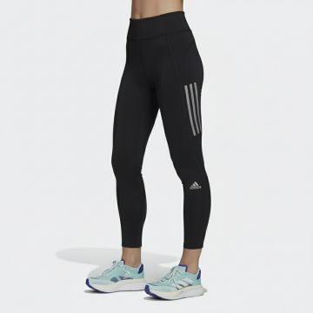 | Adidas | Women | Clothing | Leggings | FW | 04064055084510 | GU8940-BLACK | GU8940-BLACK-2XS | Adidas OTR Striped Performance Leggings Black | BLACK | 2XS | ID | 72% REC.PES/28% EL | 95 | €35.00 | €3,325.00 | €70.00 | €6,650.00
 | Adidas | Women | Clothing | Leggings | FW | 04064055080857 | GU8940-BLACK | GU8940-BLACK-S | Adidas OTR Striped Performance Leggings Black | BLACK | S | ID | 72% REC.PES/28% EL | 146 | €35.00 | €5,110.00 | €70.00 | €10,220.00
 | Adidas | Women | Clothing | Leggings | FW | 04064055080840 | GU8940-BLACK | GU8940-BLACK-XS | Adidas OTR Striped Performance Leggings Black | BLACK | XS | ID | 72% REC.PES/28% EL | 266 | €35.00 | €9,310.00 | €70.00 | €18,620.00
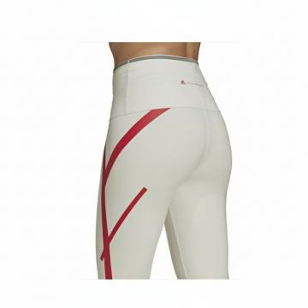 | Adidas | Women | Clothing | Leggings | FW | 04064054701685 | GU9458-BLACK | GU9458-BLACK-2XS | Adidas Stella McCartney High-Rise Leggings Cream | BLACK | 2XS | ID | 79% REC.PES/21% EL | 3 | €82.50 | €247.50 | €165.00 | €495.00
 | Adidas | Women | Clothing | Leggings | FW | 04064054701616 | GU9458-BLACK | GU9458-BLACK-M | Adidas Stella McCartney High-Rise Leggings Cream | BLACK | M | ID | 79% REC.PES/21% EL | 1 | €82.50 | €82.50 | €165.00 | €165.00
 | Adidas | Women | Clothing | Leggings | FW | 04064054701654 | GU9458-BLACK | GU9458-BLACK-S | Adidas Stella McCartney High-Rise Leggings Cream | BLACK | S | ID | 79% REC.PES/21% EL | 1 | €82.50 | €82.50 | €165.00 | €165.00
 | Adidas | Women | Clothing | Leggings | FW | 04064054701555 | GU9458-BLACK | GU9458-BLACK-XS | Adidas Stella McCartney High-Rise Leggings Cream | BLACK | XS | ID | 79% REC.PES/21% EL | 3 | €82.50 | €247.50 | €165.00 | €495.00
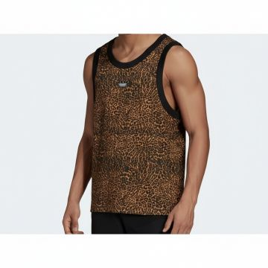 | Adidas | Men | Clothing | Tank Top | FW | 04064057752936 | H06725-MULTICOLOUR | H06725-MULTICOLOUR-L | Adidas Leopard Print Tank Top Multicolour | Multicolour | L | Vietnam | 100% REC.PES | 3 | €35.00 | €105.00 | €70.00 | €210.00
 | Adidas | Men | Clothing | Tank Top | FW | 04064057753056 | H06725-MULTICOLOUR | H06725-MULTICOLOUR-M | Adidas Leopard Print Tank Top Multicolour | Multicolour | M | Vietnam | 100% REC.PES | 5 | €35.00 | €175.00 | €70.00 | €350.00
 | Adidas | Men | Clothing | Tank Top | FW | 04064057752943 | H06725-MULTICOLOUR | H06725-MULTICOLOUR-S | Adidas Leopard Print Tank Top Multicolour | Multicolour | S | Vietnam | 100% REC.PES | 1 | €35.00 | €35.00 | €70.00 | €70.00
 | Adidas | Men | Clothing | Tank Top | FW | 04064057749271 | H06725-MULTICOLOUR | H06725-MULTICOLOUR-XS | Adidas Leopard Print Tank Top Multicolour | Multicolour | XS | Vietnam | 100% REC.PES | 1 | €35.00 | €35.00 | €70.00 | €70.00
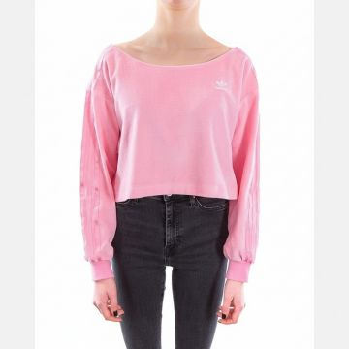 | Adidas | Women | Clothing | Crewneck Sweatshirts | SS | 04064047955552 | H18838-PINK | H18838-PINK-36 | Adidas Pink Velour Crewneck Sweatshirt | PINK | 36 | China | VELOUR | 7 | €40.00 | €280.00 | €80.00 | €560.00
 | Adidas | Women | Clothing | Crewneck Sweatshirts | SS | 04064047955606 | H18838-PINK | H18838-PINK-38 | Adidas Pink Velour Crewneck Sweatshirt | PINK | 38 | China | VELOUR | 1 | €40.00 | €40.00 | €80.00 | €80.00
 | Adidas | Women | Clothing | Crewneck Sweatshirts | SS | 04064047955538 | H18838-PINK | H18838-PINK-40 | Adidas Pink Velour Crewneck Sweatshirt | PINK | 40 | China | VELOUR | 1 | €40.00 | €40.00 | €80.00 | €80.00
 | Adidas | Women | Clothing | Bra | FW | 04066746068571 | H44777-MULTICOLOR | H44777-MULTICOLOR-M | Adidas Digital Camo Sports Bra Purple Orange | Multicolor | M | MM | 89% PES 11% EA | 4 | €22.40 | €89.60 | €44.80 | €179.20
 | Adidas | Women | Clothing | Bra | FW | 04066746068564 | H44777-MULTICOLOR | H44777-MULTICOLOR-S | Adidas Digital Camo Sports Bra Purple Orange | Multicolor | S | MM | 89% PES 11% EA | 1 | €22.40 | €22.40 | €44.80 | €44.80
 | Adidas | Women | Clothing | Bra | FW | 04066746068519 | H44777-MULTICOLOR | H44777-MULTICOLOR-XS | Adidas Digital Camo Sports Bra Purple Orange | Multicolor | XS | MM | 89% PES 11% EA | 2 | €22.40 | €44.80 | €44.80 | €89.60
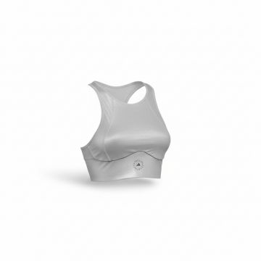 | Adidas | Women | Clothing | Bra | SS | 04064054664102 | H56631-PINK | H56631-PINK-2XS | Adidas SMC Crop Athletic Bra Pink | PINK | 2XS | China | 79% REC.PES/21% EL | 9 | €47.50 | €427.50 | €95.00 | €855.00
 | Adidas | Women | Clothing | Bra | SS | 04064054660418 | H56631-PINK | H56631-PINK-L | Adidas SMC Crop Athletic Bra Pink | PINK | L | China | 79% REC.PES/21% EL | 3 | €47.50 | €142.50 | €95.00 | €285.00
 | Adidas | Women | Clothing | Bra | SS | 04064054664089 | H56631-PINK | H56631-PINK-S | Adidas SMC Crop Athletic Bra Pink | PINK | S | China | 79% REC.PES/21% EL | 5 | €47.50 | €237.50 | €95.00 | €475.00
 | Adidas | Women | Clothing | Bra | SS | 04064054664072 | H56631-PINK | H56631-PINK-XL | Adidas SMC Crop Athletic Bra Pink | PINK | XL | China | 79% REC.PES/21% EL | 2 | €47.50 | €95.00 | €95.00 | €190.00
 | Adidas | Women | Clothing | Bra | SS | 04064054664164 | H56631-PINK | H56631-PINK-XS | Adidas SMC Crop Athletic Bra Pink | PINK | XS | China | 79% REC.PES/21% EL | 11 | €47.50 | €522.50 | €95.00 | €1,045.00
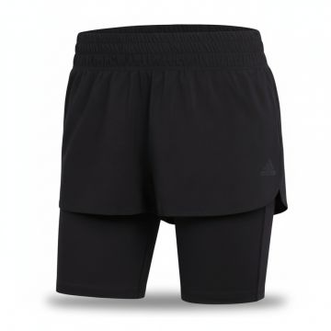 | Adidas | Women | Clothing | Shorts | SS | 04065424026490 | H57754-BLACK | H57754-BLACK-L | Adidas Women's 2-in-1 Running Shorts Black | BLACK | L | Cambodia | 100% REC.PES | 37 | €27.50 | €1,017.50 | €55.00 | €2,035.00
 | Adidas | Women | Clothing | Shorts | SS | 04065424026476 | H57754-BLACK | H57754-BLACK-M | Adidas Women's 2-in-1 Running Shorts Black | BLACK | M | Cambodia | 100% REC.PES | 86 | €27.50 | €2,365.00 | €55.00 | €4,730.00
 | Adidas | Women | Clothing | Shorts | SS | 04065424030176 | H57754-BLACK | H57754-BLACK-S | Adidas Women's 2-in-1 Running Shorts Black | BLACK | S | Cambodia | 100% REC.PES | 160 | €27.50 | €4,400.00 | €55.00 | €8,800.00
 | Adidas | Women | Clothing | Shorts | SS | 04065424026551 | H57754-BLACK | H57754-BLACK-XL | Adidas Women's 2-in-1 Running Shorts Black | BLACK | XL | Cambodia | 100% REC.PES | 19 | €27.50 | €522.50 | €55.00 | €1,045.00
 | Adidas | Women | Clothing | Shorts | SS | 04065424026544 | H57754-BLACK | H57754-BLACK-XS | Adidas Women's 2-in-1 Running Shorts Black | BLACK | XS | Cambodia | 100% REC.PES | 126 | €27.50 | €3,465.00 | €55.00 | €6,930.00
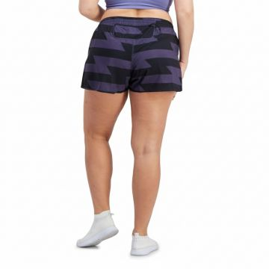 | Adidas | Women | Clothing | Shorts | SS | 04065423877673 | H57755-NAVY | H57755-NAVY-M 4" | Adidas RNFast Purple Camo Split Shorts | NAVY | M 4" | Indonesia | 100% REC.PES | 18 | €27.50 | €495.00 | €55.00 | €990.00
 | Adidas | Women | Clothing | Shorts | SS | 04065423877536 | H57755-NAVY | H57755-NAVY-S 3" | Adidas RNFast Purple Camo Split Shorts | NAVY | S 3" | Indonesia | 100% REC.PES | 19 | €27.50 | €522.50 | €55.00 | €1,045.00
 | Adidas | Women | Clothing | Shorts | SS | 04065423881434 | H57755-NAVY | H57755-NAVY-S 4" | Adidas RNFast Purple Camo Split Shorts | NAVY | S 4" | Indonesia | 100% REC.PES | 29 | €27.50 | €797.50 | €55.00 | €1,595.00
 | Adidas | Women | Clothing | Shorts | SS | 04065423877727 | H57755-NAVY | H57755-NAVY-XS3" | Adidas RNFast Purple Camo Split Shorts | NAVY | XS3" | Indonesia | 100% REC.PES | 15 | €27.50 | €412.50 | €55.00 | €825.00
 | Adidas | Women | Clothing | Shorts | SS | 04065423881410 | H57755-NAVY | H57755-NAVY-XS4" | Adidas RNFast Purple Camo Split Shorts | NAVY | XS4" | Indonesia | 100% REC.PES | 20 | €27.50 | €550.00 | €55.00 | €1,100.00
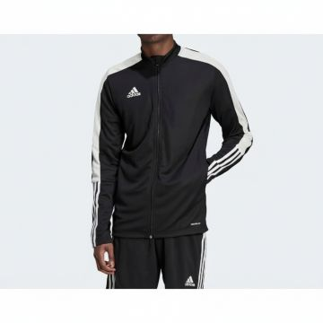 | Adidas | Men | Clothing | Track Jackets | FW | 04065417486416 | H60019-BLACK | H60019-BLACK-L | Adidas Black White Track Jacket | BLACK | L | VN | 100% REC.PES | 43 | €25.00 | €1,075.00 | €50.00 | €2,150.00
 | Adidas | Men | Clothing | Track Jackets | FW | 04065417490277 | H60019-BLACK | H60019-BLACK-M | Adidas Black White Track Jacket | BLACK | M | VN | 100% REC.PES | 115 | €25.00 | €2,875.00 | €50.00 | €5,750.00
 | Adidas | Men | Clothing | Track Jackets | FW | 04065417490307 | H60019-BLACK | H60019-BLACK-XS | Adidas Black White Track Jacket | BLACK | XS | VN | 100% REC.PES | 212 | €25.00 | €5,300.00 | €50.00 | €10,600.00
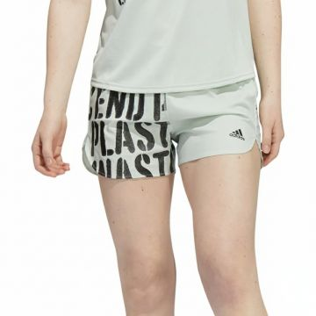 | Adidas | Women | Clothing | Shorts | FW | 04065415716508 | HA4293-GREEN | HA4293-GREEN-L | Adidas Plastic Impact Athletic Shorts Green | Green | L | Vietnam | 100% REC.PES, 92% REC.PES/8% EL | 56 | €35.00 | €1,960.00 | €70.00 | €3,920.00
 | Adidas | Women | Clothing | Shorts | FW | 04065415716454 | HA4293-GREEN | HA4293-GREEN-M | Adidas Plastic Impact Athletic Shorts Green | Green | M | Vietnam | 100% REC.PES, 92% REC.PES/8% EL | 36 | €35.00 | €1,260.00 | €70.00 | €2,520.00
 | Adidas | Women | Clothing | Shorts | FW | 04065415716423 | HA4293-GREEN | HA4293-GREEN-S | Adidas Plastic Impact Athletic Shorts Green | Green | S | Vietnam | 100% REC.PES, 92% REC.PES/8% EL | 26 | €35.00 | €910.00 | €70.00 | €1,820.00
 | Adidas | Women | Clothing | Shorts | FW | 04065415712777 | HA4293-GREEN | HA4293-GREEN-XL | Adidas Plastic Impact Athletic Shorts Green | Green | XL | Vietnam | 100% REC.PES, 92% REC.PES/8% EL | 28 | €35.00 | €980.00 | €70.00 | €1,960.00
 | Adidas | Women | Clothing | Shorts | FW | 04065415716461 | HA4293-GREEN | HA4293-GREEN-XS | Adidas Plastic Impact Athletic Shorts Green | Green | XS | Vietnam | 100% REC.PES, 92% REC.PES/8% EL | 25 | €35.00 | €875.00 | €70.00 | €1,750.00
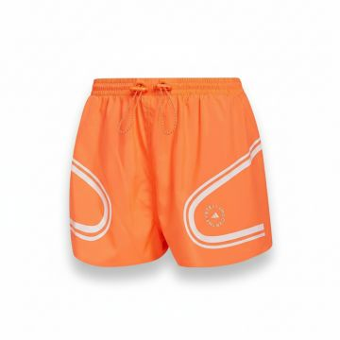 | Adidas | Women | Clothing | Shorts | SS | 04065423827852 | HB6080-MULTICOLOUR | HB6080-MULTICOLOUR-2XS | Adidas Stella McCartney Training Shorts Orange | Multicolour | 2XS | Vietnam | 100% REC.PES | 1 | €47.50 | €47.50 | €95.00 | €95.00
 | Adidas | Women | Clothing | Shorts | SS | 04065423827883 | HB6080-MULTICOLOUR | HB6080-MULTICOLOUR-S | Adidas Stella McCartney Training Shorts Orange | Multicolour | S | Vietnam | 100% REC.PES | 1 | €47.50 | €47.50 | €95.00 | €95.00
 | Adidas | Women | Clothing | Shorts | SS | 04065423827869 | HB6080-MULTICOLOUR | HB6080-MULTICOLOUR-XS | Adidas Stella McCartney Training Shorts Orange | Multicolour | XS | Vietnam | 100% REC.PES | 1 | €47.50 | €47.50 | €95.00 | €95.00
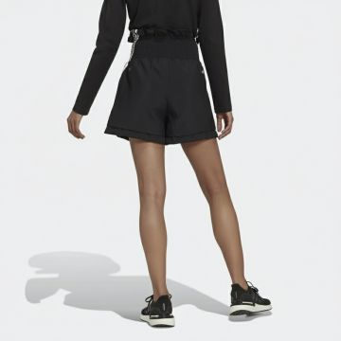 | Adidas | Women | Clothing | Shorts | FW | 04065429797777 | HC6372-BLACK | HC6372-BLACK-2XS | Adidas Black High Waist Fitness Shorts | BLACK | 2XS | Indonesia | 100% REC.PA | 4 | €32.50 | €130.00 | €65.00 | €260.00
 | Adidas | Women | Clothing | Shorts | FW | 04065429797760 | HC6372-BLACK | HC6372-BLACK-L | Adidas Black High Waist Fitness Shorts | BLACK | L | Indonesia | 100% REC.PA | 4 | €32.50 | €130.00 | €65.00 | €260.00
 | Adidas | Women | Clothing | Shorts | FW | 04065429797753 | HC6372-BLACK | HC6372-BLACK-M | Adidas Black High Waist Fitness Shorts | BLACK | M | Indonesia | 100% REC.PA | 12 | €32.50 | €390.00 | €65.00 | €780.00
 | Adidas | Women | Clothing | Shorts | FW | 04065429797807 | HC6372-BLACK | HC6372-BLACK-S | Adidas Black High Waist Fitness Shorts | BLACK | S | Indonesia | 100% REC.PA | 8 | €32.50 | €260.00 | €65.00 | €520.00
 | Adidas | Women | Clothing | Shorts | FW | 04065429797791 | HC6372-BLACK | HC6372-BLACK-XL | Adidas Black High Waist Fitness Shorts | BLACK | XL | Indonesia | 100% REC.PA | 6 | €32.50 | €195.00 | €65.00 | €390.00
 | Adidas | Women | Clothing | Shorts | FW | 04065429797784 | HC6372-BLACK | HC6372-BLACK-XS | Adidas Black High Waist Fitness Shorts | BLACK | XS | Indonesia | 100% REC.PA | 18 | €32.50 | €585.00 | €65.00 | €1,170.00
 | Adidas | Women | Clothing | Skirts | FW | 04065423068392 | HC7707-BLACK | HC7707-BLACK-2XS | Adidas Match Tennis Skirt Black | BLACK | 2XS | TH | 100% REC.PES | 8 | €27.50 | €220.00 | €55.00 | €440.00
 | Adidas | Women | Clothing | Skirts | FW | 04065423068323 | HC7707-BLACK | HC7707-BLACK-S | Adidas Match Tennis Skirt Black | BLACK | S | TH | 100% REC.PES | 2 | €27.50 | €55.00 | €55.00 | €110.00
 | Adidas | Women | Clothing | Skirts | FW | 04065423072078 | HC7707-BLACK | HC7707-BLACK-XS | Adidas Match Tennis Skirt Black | BLACK | XS | TH | 100% REC.PES | 9 | €27.50 | €247.50 | €55.00 | €495.00
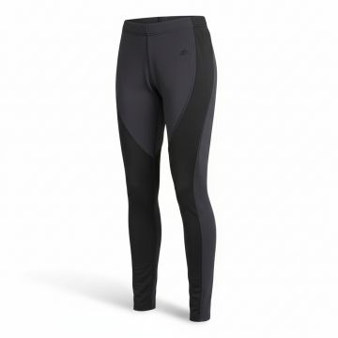 | Adidas | Women | Clothing | Leggings | SS | 04065424035386 | HD4484-BLACK | HD4484-BLACK-2XS | Adidas Performance 78 Black Training Leggings | BLACK | 2XS | China | 79% REC.PES/21% EL | 3 | €42.50 | €127.50 | €85.00 | €255.00
 | Adidas | Women | Clothing | Leggings | SS | 04065424035416 | HD4484-BLACK | HD4484-BLACK-S | Adidas Performance 78 Black Training Leggings | BLACK | S | China | 79% REC.PES/21% EL | 4 | €42.50 | €170.00 | €85.00 | €340.00
 | Adidas | Women | Clothing | Leggings | SS | 04065424035324 | HD4484-BLACK | HD4484-BLACK-XS | Adidas Performance 78 Black Training Leggings | BLACK | XS | China | 79% REC.PES/21% EL | 4 | €42.50 | €170.00 | €85.00 | €340.00
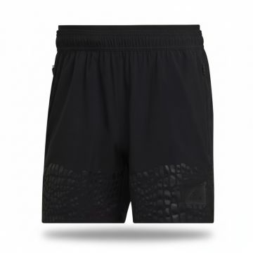 | Adidas | Men | Clothing | Shorts | FW | 04065415213991 | HD6399-BLACK | HD6399-BLACK-2XL5 | Adidas BOA Performance Training Shorts Black | BLACK | 2XL5 | TH | 86% REC.PES/14% EL | 2 | €42.50 | €85.00 | €85.00 | €170.00
 | Adidas | Men | Clothing | Shorts | FW | 04065415213854 | HD6399-BLACK | HD6399-BLACK-2XL7 | Adidas BOA Performance Training Shorts Black | BLACK | 2XL7 | TH | 86% REC.PES/14% EL | 5 | €42.50 | €212.50 | €85.00 | €425.00
 | Adidas | Men | Clothing | Shorts | FW | 04065415213960 | HD6399-BLACK | HD6399-BLACK-L 5" | Adidas BOA Performance Training Shorts Black | BLACK | L 5" | TH | 86% REC.PES/14% EL | 9 | €42.50 | €382.50 | €85.00 | €765.00
 | Adidas | Men | Clothing | Shorts | FW | 04065415210167 | HD6399-BLACK | HD6399-BLACK-L 7" | Adidas BOA Performance Training Shorts Black | BLACK | L 7" | TH | 86% REC.PES/14% EL | 15 | €42.50 | €637.50 | €85.00 | €1,275.00
 | Adidas | Men | Clothing | Shorts | FW | 04065415214042 | HD6399-BLACK | HD6399-BLACK-M 5" | Adidas BOA Performance Training Shorts Black | BLACK | M 5" | TH | 86% REC.PES/14% EL | 12 | €42.50 | €510.00 | €85.00 | €1,020.00
 | Adidas | Men | Clothing | Shorts | FW | 04065415213977 | HD6399-BLACK | HD6399-BLACK-M 7" | Adidas BOA Performance Training Shorts Black | BLACK | M 7" | TH | 86% REC.PES/14% EL | 11 | €42.50 | €467.50 | €85.00 | €935.00
 | Adidas | Men | Clothing | Shorts | FW | 04065415210235 | HD6399-BLACK | HD6399-BLACK-S 5" | Adidas BOA Performance Training Shorts Black | BLACK | S 5" | TH | 86% REC.PES/14% EL | 7 | €42.50 | €297.50 | €85.00 | €595.00
 | Adidas | Men | Clothing | Shorts | FW | 04065415210198 | HD6399-BLACK | HD6399-BLACK-S 7" | Adidas BOA Performance Training Shorts Black | BLACK | S 7" | TH | 86% REC.PES/14% EL | 9 | €42.50 | €382.50 | €85.00 | €765.00
 | Adidas | Men | Clothing | Shorts | FW | 04065415213939 | HD6399-BLACK | HD6399-BLACK-XL5" | Adidas BOA Performance Training Shorts Black | BLACK | XL5" | TH | 86% REC.PES/14% EL | 4 | €42.50 | €170.00 | €85.00 | €340.00
 | Adidas | Men | Clothing | Shorts | FW | 04065415210174 | HD6399-BLACK | HD6399-BLACK-XL7" | Adidas BOA Performance Training Shorts Black | BLACK | XL7" | TH | 86% REC.PES/14% EL | 12 | €42.50 | €510.00 | €85.00 | €1,020.00
 | Adidas | Men | Clothing | Shorts | FW | 04065415217739 | HD6399-BLACK | HD6399-BLACK-XS7" | Adidas BOA Performance Training Shorts Black | BLACK | XS7" | TH | 86% REC.PES/14% EL | 4 | €42.50 | €170.00 | €85.00 | €340.00
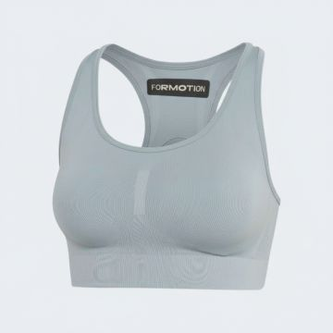 | Adidas | Women | Clothing | Bra | SS | 04065423817433 | HE2109-GREY | HE2109-GREY-M | Adidas FRMT SCLPT Ribbed Sports Bra Grey | Grey | M | Czech Republic | 88% REC.PA/12% EL | 1 | €47.50 | €47.50 | €95.00 | €95.00
 | Adidas | Women | Clothing | Bra | SS | 04065423817419 | HE2109-GREY | HE2109-GREY-XL | Adidas FRMT SCLPT Ribbed Sports Bra Grey | Grey | XL | Czech Republic | 88% REC.PA/12% EL | 1 | €47.50 | €47.50 | €95.00 | €95.00
 | Adidas | Women | Clothing | Bra | SS | 04065423817402 | HE2109-GREY | HE2109-GREY-XS | Adidas FRMT SCLPT Ribbed Sports Bra Grey | Grey | XS | Czech Republic | 88% REC.PA/12% EL | 2 | €47.50 | €95.00 | €95.00 | €190.00
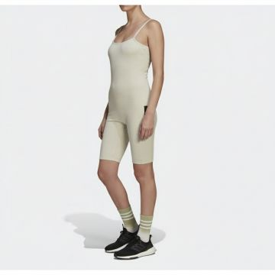 | Adidas | Women | Clothing | Dresses | FW | 04065423151957 | HE4146-BROWN | HE4146-BROWN-L | Adidas Brown Athletic Bodysuit Jumpsuit | BROWN | L | ID | 51% CO/42% REC.PES/7% EL:Rib for body:380: | 8 | €37.50 | €300.00 | €75.00 | €600.00
 | Adidas | Women | Clothing | Dresses | FW | 04065423151834 | HE4146-BROWN | HE4146-BROWN-M | Adidas Brown Athletic Bodysuit Jumpsuit | BROWN | M | ID | 51% CO/42% REC.PES/7% EL:Rib for body:380: | 6 | €37.50 | €225.00 | €75.00 | €450.00
 | Adidas | Women | Clothing | Dresses | FW | 04065423151933 | HE4146-BROWN | HE4146-BROWN-S | Adidas Brown Athletic Bodysuit Jumpsuit | BROWN | S | ID | 51% CO/42% REC.PES/7% EL:Rib for body:380: | 1 | €37.50 | €37.50 | €75.00 | €75.00
 | Adidas | Women | Clothing | Dresses | FW | 04065423151919 | HE4146-BROWN | HE4146-BROWN-XL | Adidas Brown Athletic Bodysuit Jumpsuit | BROWN | XL | ID | 51% CO/42% REC.PES/7% EL:Rib for body:380: | 4 | €37.50 | €150.00 | €75.00 | €300.00
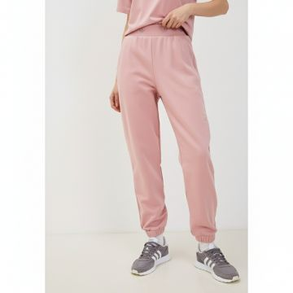 | Adidas | Women | Clothing | Sweatpants | SS | 04065415827839 | HE6882-PINK | HE6882-PINK-28 | Adidas Pink Cotton Cuffed Sweatpants | PINK | 28 | Indonesia | 100% PIMA COTTON | 1 | €42.50 | €42.50 | €85.00 | €85.00
 | Adidas | Women | Clothing | Sweatpants | SS | 04065415827938 | HE6882-PINK | HE6882-PINK-30 | Adidas Pink Cotton Cuffed Sweatpants | PINK | 30 | Indonesia | 100% PIMA COTTON | 1 | €42.50 | €42.50 | €85.00 | €85.00
 | Adidas | Women | Clothing | Sweatpants | SS | 04065415827891 | HE6882-PINK | HE6882-PINK-32 | Adidas Pink Cotton Cuffed Sweatpants | PINK | 32 | Indonesia | 100% PIMA COTTON | 1 | €42.50 | €42.50 | €85.00 | €85.00
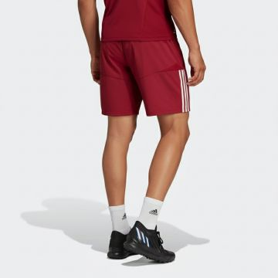 | Adidas | Men | Clothing | Shorts | FW | 04065429596257 | HF1382-BLUE | HF1382-BLUE-L | Adidas FMF Athletic Football Shorts Red | Blue | L | Philippines | 100% PIMA COTTON | 5 | €27.50 | €137.50 | €55.00 | €275.00
 | Adidas | Men | Clothing | Shorts | FW | 04065429596240 | HF1382-BLUE | HF1382-BLUE-M | Adidas FMF Athletic Football Shorts Red | Blue | M | Philippines | 100% PIMA COTTON | 4 | €27.50 | €110.00 | €55.00 | €220.00
 | Adidas | Men | Clothing | Shorts | FW | 04065429596189 | HF1382-BLUE | HF1382-BLUE-S | Adidas FMF Athletic Football Shorts Red | Blue | S | Philippines | 100% PIMA COTTON | 4 | €27.50 | €110.00 | €55.00 | €220.00
 | Adidas | Men | Clothing | Shorts | FW | 04065429596202 | HF1382-BLUE | HF1382-BLUE-XL | Adidas FMF Athletic Football Shorts Red | Blue | XL | Philippines | 100% PIMA COTTON | 7 | €27.50 | €192.50 | €55.00 | €385.00
 | Adidas | Men | Clothing | Shorts | FW | 04065429596158 | HF1382-BLUE | HF1382-BLUE-XS | Adidas FMF Athletic Football Shorts Red | Blue | XS | Philippines | 100% PIMA COTTON | 4 | €27.50 | €110.00 | €55.00 | €220.00
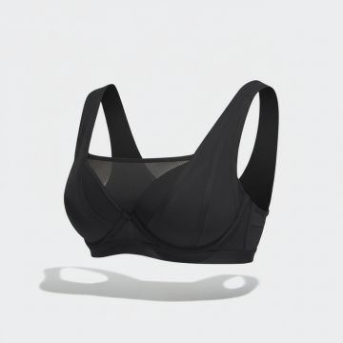 | Adidas | Women | Clothing | Bra | FW | 04065417373341 | HF2291-BLACK | HF2291-BLACK-75B | Adidas Cross-Back Sports Bra Black | BLACK | 75B | CN | 82% REC.PES/18% EL, 79% REC.PES/21% EL | 9 | €40.00 | €360.00 | €80.00 | €720.00
 | Adidas | Women | Clothing | Bra | FW | 04065417373327 | HF2291-BLACK | HF2291-BLACK-80B | Adidas Cross-Back Sports Bra Black | BLACK | 80B | CN | 82% REC.PES/18% EL, 79% REC.PES/21% EL | 8 | €40.00 | €320.00 | €80.00 | €640.00
 | Adidas | Women | Clothing | Bra | FW | 04065417373228 | HF2291-BLACK | HF2291-BLACK-85B | Adidas Cross-Back Sports Bra Black | BLACK | 85B | CN | 82% REC.PES/18% EL, 79% REC.PES/21% EL | 5 | €40.00 | €200.00 | €80.00 | €400.00
 | Adidas | Women | Clothing | Bra | FW | 04065417369542 | HF2291-BLACK | HF2291-BLACK-85C | Adidas Cross-Back Sports Bra Black | BLACK | 85C | CN | 82% REC.PES/18% EL, 79% REC.PES/21% EL | 4 | €40.00 | €160.00 | €80.00 | €320.00
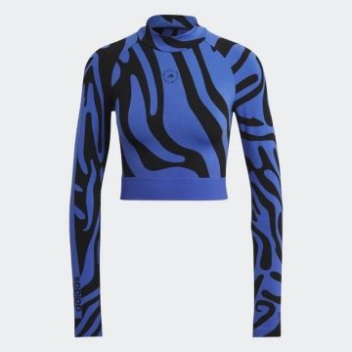 | Adidas | Women | Clothing | Tank Top | SS | 04065424443013 | HF3066-BLUE_BLACK | HF3066-BLUE_BLACK-L | Adidas Blue Black Animal Print Crop Top | Blue_Black | L | Slovenia | 93% REC.PA/7% EL | 4 | €70.00 | €280.00 | €140.00 | €560.00
 | Adidas | Women | Clothing | Tank Top | SS | 04065424443020 | HF3066-BLUE_BLACK | HF3066-BLUE_BLACK-M | Adidas Blue Black Animal Print Crop Top | Blue_Black | M | Slovenia | 93% REC.PA/7% EL | 10 | €70.00 | €700.00 | €140.00 | €1,400.00
 | Adidas | Women | Clothing | Tank Top | SS | 04065424442979 | HF3066-BLUE_BLACK | HF3066-BLUE_BLACK-S | Adidas Blue Black Animal Print Crop Top | Blue_Black | S | Slovenia | 93% REC.PA/7% EL | 13 | €70.00 | €910.00 | €140.00 | €1,820.00
 | Adidas | Women | Clothing | Tank Top | SS | 04065424443006 | HF3066-BLUE_BLACK | HF3066-BLUE_BLACK-XS | Adidas Blue Black Animal Print Crop Top | Blue_Black | XS | Slovenia | 93% REC.PA/7% EL | 7 | €70.00 | €490.00 | €140.00 | €980.00
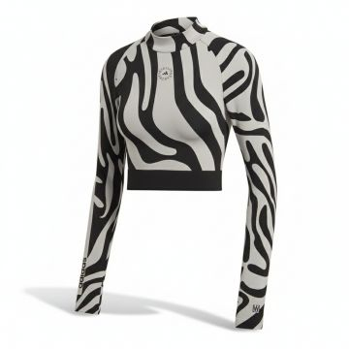 | Adidas | Women | Clothing | Tank Top | SS | 04065424443075 | HF3067-GREY | HF3067-GREY-L | Adidas StellaSport Zebra Print Cropped Top Grey | Grey | L | Slovenia | 93% REC.PA/7% EL | 5 | €70.00 | €350.00 | €140.00 | €700.00
 | Adidas | Women | Clothing | Tank Top | SS | 04065424443037 | HF3067-GREY | HF3067-GREY-M | Adidas StellaSport Zebra Print Cropped Top Grey | Grey | M | Slovenia | 93% REC.PA/7% EL | 4 | €70.00 | €280.00 | €140.00 | €560.00
 | Adidas | Women | Clothing | Tank Top | SS | 04065424443051 | HF3067-GREY | HF3067-GREY-S | Adidas StellaSport Zebra Print Cropped Top Grey | Grey | S | Slovenia | 93% REC.PA/7% EL | 10 | €70.00 | €700.00 | €140.00 | €1,400.00
 | Adidas | Women | Clothing | Tank Top | SS | 04065424443068 | HF3067-GREY | HF3067-GREY-XS | Adidas StellaSport Zebra Print Cropped Top Grey | Grey | XS | Slovenia | 93% REC.PA/7% EL | 5 | €70.00 | €350.00 | €140.00 | €700.00
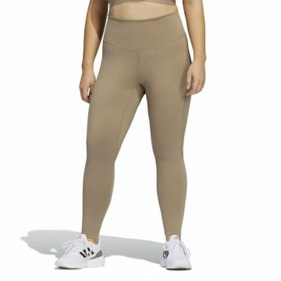 | Adidas | Women | Clothing | Leggings | FW | 04065423905178 | HF5948-BROWN | HF5948-BROWN-2X | Adidas High-Waist Athletic Leggings Brown | BROWN | 2X | KH | 64% REC.PES/36% EL | 1 | €40.00 | €40.00 | €80.00 | €80.00
 | Adidas | Women | Clothing | Leggings | FW | 04065423905161 | HF5948-BROWN | HF5948-BROWN-3X | Adidas High-Waist Athletic Leggings Brown | BROWN | 3X | KH | 64% REC.PES/36% EL | 2 | €40.00 | €80.00 | €80.00 | €160.00
 | Adidas | Women | Clothing | Leggings | FW | 04065423905147 | HF5948-BROWN | HF5948-BROWN-4X | Adidas High-Waist Athletic Leggings Brown | BROWN | 4X | KH | 64% REC.PES/36% EL | 1 | €40.00 | €40.00 | €80.00 | €80.00
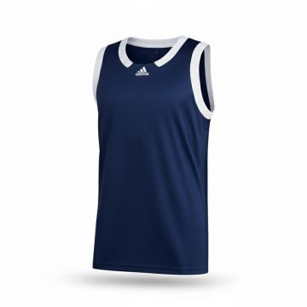 | Adidas | Men | Clothing | Tank Top | FW | 04065415160073 | HF6709-BLUE_WHITE | HF6709-BLUE_WHITE-2XLT | Adidas Icon Squad Basketball Tank Navy | Blue_White | 2XLT | Thailand | 100% rec polyester | 5 | €25.00 | €125.00 | €50.00 | €250.00
 | Adidas | Men | Clothing | Tank Top | FW | 04065415163807 | HF6709-BLUE_WHITE | HF6709-BLUE_WHITE-3XL | Adidas Icon Squad Basketball Tank Navy | Blue_White | 3XL | Thailand | 100% rec polyester | 3 | €25.00 | €75.00 | €50.00 | €150.00
 | Adidas | Men | Clothing | Tank Top | FW | 04065415163814 | HF6709-BLUE_WHITE | HF6709-BLUE_WHITE-L | Adidas Icon Squad Basketball Tank Navy | Blue_White | L | Thailand | 100% rec polyester | 9 | €25.00 | €225.00 | €50.00 | €450.00
 | Adidas | Men | Clothing | Tank Top | FW | 04065415160004 | HF6709-BLUE_WHITE | HF6709-BLUE_WHITE-LT | Adidas Icon Squad Basketball Tank Navy | Blue_White | LT | Thailand | 100% rec polyester | 4 | €25.00 | €100.00 | €50.00 | €200.00
 | Adidas | Men | Clothing | Tank Top | FW | 04065415163777 | HF6709-BLUE_WHITE | HF6709-BLUE_WHITE-M | Adidas Icon Squad Basketball Tank Navy | Blue_White | M | Thailand | 100% rec polyester | 37 | €25.00 | €925.00 | €50.00 | €1,850.00
 | Adidas | Men | Clothing | Tank Top | FW | 04065415163760 | HF6709-BLUE_WHITE | HF6709-BLUE_WHITE-S | Adidas Icon Squad Basketball Tank Navy | Blue_White | S | Thailand | 100% rec polyester | 15 | €25.00 | €375.00 | €50.00 | €750.00
 | Adidas | Men | Clothing | Tank Top | FW | 04065415163692 | HF6709-BLUE_WHITE | HF6709-BLUE_WHITE-XL | Adidas Icon Squad Basketball Tank Navy | Blue_White | XL | Thailand | 100% rec polyester | 23 | €25.00 | €575.00 | €50.00 | €1,150.00
 | Adidas | Men | Clothing | Tank Top | FW | 04065415163715 | HF6709-BLUE_WHITE | HF6709-BLUE_WHITE-XLT | Adidas Icon Squad Basketball Tank Navy | Blue_White | XLT | Thailand | 100% rec polyester | 10 | €25.00 | €250.00 | €50.00 | €500.00
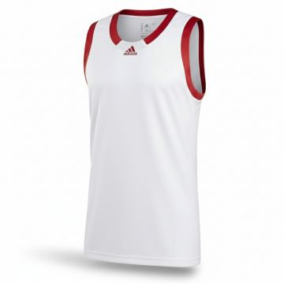 | Adidas | Men | Clothing | Tank Top | FW | 04065415620287 | HF6713-WHITE_POWDER | HF6713-WHITE_POWDER-2XLT | Adidas Icon Squad Basketball Tank White | White_Powder | 2XLT | Thailand | 100% rec polyester | 5 | €25.00 | €125.00 | €50.00 | €250.00
 | Adidas | Men | Clothing | Tank Top | FW | 04065415620393 | HF6713-WHITE_POWDER | HF6713-WHITE_POWDER-LT | Adidas Icon Squad Basketball Tank White | White_Powder | LT | Thailand | 100% rec polyester | 5 | €25.00 | €125.00 | €50.00 | €250.00
 | Adidas | Men | Clothing | Tank Top | FW | 04065415620324 | HF6713-WHITE_POWDER | HF6713-WHITE_POWDER-S | Adidas Icon Squad Basketball Tank White | White_Powder | S | Thailand | 100% rec polyester | 5 | €25.00 | €125.00 | €50.00 | €250.00
 | Adidas | Men | Clothing | Tank Top | FW | 04065415620294 | HF6713-WHITE_POWDER | HF6713-WHITE_POWDER-XL | Adidas Icon Squad Basketball Tank White | White_Powder | XL | Thailand | 100% rec polyester | 5 | €25.00 | €125.00 | €50.00 | €250.00
 | Adidas | Men | Clothing | Tank Top | FW | 04065415620263 | HF6713-WHITE_POWDER | HF6713-WHITE_POWDER-XLT | Adidas Icon Squad Basketball Tank White | White_Powder | XLT | Thailand | 100% rec polyester | 4 | €25.00 | €100.00 | €50.00 | €200.00
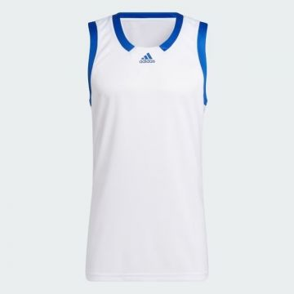 | Adidas | Men | Clothing | Tank Top | SS | 04065415635717 | HF6717-WHITE_ROYAL | HF6717-WHITE_ROYAL-2XLT | Adidas Icon Squad Sleeveless Tank White Royal | WHITE | 2XLT | Indonesia | 100% REC.PES, 100% REC.PES | 2 | €25.00 | €50.00 | €50.00 | €100.00
 | Adidas | Men | Clothing | Tank Top | SS | 04065415635557 | HF6717-WHITE_ROYAL | HF6717-WHITE_ROYAL-3XL | Adidas Icon Squad Sleeveless Tank White Royal | WHITE | 3XL | Indonesia | 100% REC.PES, 100% REC.PES | 3 | €25.00 | €75.00 | €50.00 | €150.00
 | Adidas | Men | Clothing | Tank Top | SS | 04065415635588 | HF6717-WHITE_ROYAL | HF6717-WHITE_ROYAL-L | Adidas Icon Squad Sleeveless Tank White Royal | WHITE | L | Indonesia | 100% REC.PES, 100% REC.PES | 100 | €25.00 | €2,500.00 | €50.00 | €5,000.00
 | Adidas | Men | Clothing | Tank Top | SS | 04065415635571 | HF6717-WHITE_ROYAL | HF6717-WHITE_ROYAL-LT | Adidas Icon Squad Sleeveless Tank White Royal | WHITE | LT | Indonesia | 100% REC.PES, 100% REC.PES | 3 | €25.00 | €75.00 | €50.00 | €150.00
 | Adidas | Men | Clothing | Tank Top | SS | 04065415631924 | HF6717-WHITE_ROYAL | HF6717-WHITE_ROYAL-M | Adidas Icon Squad Sleeveless Tank White Royal | WHITE | M | Indonesia | 100% REC.PES, 100% REC.PES | 14 | €25.00 | €350.00 | €50.00 | €700.00
 | Adidas | Men | Clothing | Tank Top | SS | 04065415635700 | HF6717-WHITE_ROYAL | HF6717-WHITE_ROYAL-XLT | Adidas Icon Squad Sleeveless Tank White Royal | WHITE | XLT | Indonesia | 100% REC.PES, 100% REC.PES | 3 | €25.00 | €75.00 | €50.00 | €150.00
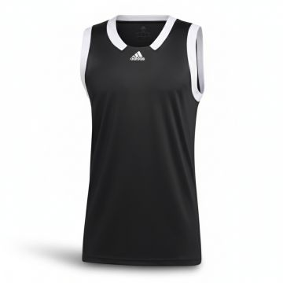 | Adidas | Men | Clothing | Tank Top | FW | 04065415121487 | HF6719-BLACK_WHITE | HF6719-BLACK_WHITE-2XLT | Adidas Icon Squad Basketball Tank Black White | BLACK_WHITE | 2XLT | Thailand | 100% rec polyester | 2 | €25.00 | €50.00 | €50.00 | €100.00
 | Adidas | Men | Clothing | Tank Top | FW | 04065415121500 | HF6719-BLACK_WHITE | HF6719-BLACK_WHITE-3XL | Adidas Icon Squad Basketball Tank Black White | BLACK_WHITE | 3XL | Thailand | 100% rec polyester | 3 | €25.00 | €75.00 | €50.00 | €150.00
 | Adidas | Men | Clothing | Tank Top | FW | 04065415117688 | HF6719-BLACK_WHITE | HF6719-BLACK_WHITE-LT | Adidas Icon Squad Basketball Tank Black White | BLACK_WHITE | LT | Thailand | 100% rec polyester | 4 | €25.00 | €100.00 | €50.00 | €200.00
 | Adidas | Men | Clothing | Tank Top | FW | 04065415121470 | HF6719-BLACK_WHITE | HF6719-BLACK_WHITE-M | Adidas Icon Squad Basketball Tank Black White | BLACK_WHITE | M | Thailand | 100% rec polyester | 13 | €25.00 | €325.00 | €50.00 | €650.00
 | Adidas | Men | Clothing | Tank Top | FW | 04065415121463 | HF6719-BLACK_WHITE | HF6719-BLACK_WHITE-S | Adidas Icon Squad Basketball Tank Black White | BLACK_WHITE | S | Thailand | 100% rec polyester | 11 | €25.00 | €275.00 | €50.00 | €550.00
 | Adidas | Men | Clothing | Tank Top | FW | 04065415117817 | HF6719-BLACK_WHITE | HF6719-BLACK_WHITE-XL | Adidas Icon Squad Basketball Tank Black White | BLACK_WHITE | XL | Thailand | 100% rec polyester | 15 | €25.00 | €375.00 | €50.00 | €750.00
 | Adidas | Men | Clothing | Tank Top | FW | 04065415117800 | HF6719-BLACK_WHITE | HF6719-BLACK_WHITE-XLT | Adidas Icon Squad Basketball Tank Black White | BLACK_WHITE | XLT | Thailand | 100% rec polyester | 3 | €25.00 | €75.00 | €50.00 | €150.00
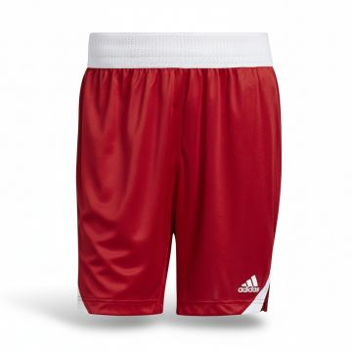 | Adidas | Men | Clothing | Shorts | FW | 04065415052415 | HF6729-RED | HF6729-RED-L | Adidas Icon Squad Basketball Shorts Red | Red | L | Thailand | 100% rec polyester | 60 | €25.00 | €1,500.00 | €50.00 | €3,000.00
 | Adidas | Men | Clothing | Shorts | FW | 04065415052378 | HF6729-RED | HF6729-RED-LT | Adidas Icon Squad Basketball Shorts Red | Red | LT | Thailand | 100% rec polyester | 13 | €25.00 | €325.00 | €50.00 | €650.00
 | Adidas | Men | Clothing | Shorts | FW | 04065415048654 | HF6729-RED | HF6729-RED-XL | Adidas Icon Squad Basketball Shorts Red | Red | XL | Thailand | 100% rec polyester | 10 | €42.50 | €425.00 | €85.00 | €850.00
 | Adidas | Women | Clothing | Tank Top | FW | 04065422581397 | HF9194-BLUE | HF9194-BLUE-32 | Adidas Originals Women's Crop Tank Top Pink | PINK | 32 | Turkey | 93% CO/7% EL:Single jersey:230: | 4 | €15.00 | €60.00 | €30.00 | €120.00
 | Adidas | Women | Clothing | Tank Top | FW | 04065422585098 | HF9194-BLUE | HF9194-BLUE-34 | Adidas Originals Women's Crop Tank Top Pink | PINK | 34 | Turkey | 93% CO/7% EL:Single jersey:230: | 12 | €15.00 | €180.00 | €30.00 | €360.00
 | Adidas | Women | Clothing | Tank Top | FW | 04065422581250 | HF9194-BLUE | HF9194-BLUE-36 | Adidas Originals Women's Crop Tank Top Pink | PINK | 36 | Turkey | 93% CO/7% EL:Single jersey:230: | 1 | €15.00 | €15.00 | €30.00 | €30.00
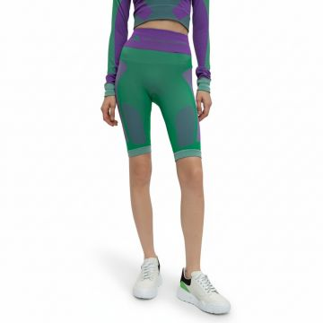 | Adidas | Women | Clothing | Leggings | FW | 04065429893196 | HG1266-GREEN | HG1266-GREEN-L | Adidas Seamless Cycling Shorts Green | Green | L | CN | 100% seamless fully fashion | 1 | €55.00 | €55.00 | €110.00 | €110.00
 | Adidas | Women | Clothing | Leggings | FW | 04065429893202 | HG1266-GREEN | HG1266-GREEN-M | Adidas Seamless Cycling Shorts Green | Green | M | CN | 100% seamless fully fashion | 10 | €55.00 | €550.00 | €110.00 | €1,100.00
 | Adidas | Women | Clothing | Leggings | FW | 04065429893219 | HG1266-GREEN | HG1266-GREEN-S | Adidas Seamless Cycling Shorts Green | Green | S | CN | 100% seamless fully fashion | 8 | €55.00 | €440.00 | €110.00 | €880.00
 | Adidas | Women | Clothing | Leggings | FW | 04065429893233 | HG1266-GREEN | HG1266-GREEN-XS | Adidas Seamless Cycling Shorts Green | Green | XS | CN | 100% seamless fully fashion | 20 | €55.00 | €1,100.00 | €110.00 | €2,200.00
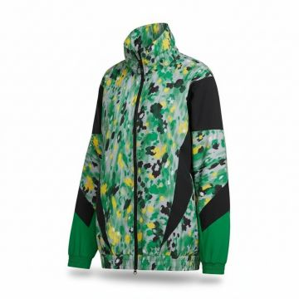 | Adidas | Women | Clothing | Track Jackets | FW | 04065431118508 | HG1934-GREEN | HG1934-GREEN-M | Adidas Paint Splash Track Jacket Green | Green | M | Indonesia | 100% REC.PES | 1 | €95.00 | €95.00 | €190.00 | €190.00
 | Adidas | Women | Clothing | Track Jackets | FW | 04065431118546 | HG1934-GREEN | HG1934-GREEN-S | Adidas Paint Splash Track Jacket Green | Green | S | Indonesia | 100% REC.PES | 3 | €95.00 | €285.00 | €190.00 | €570.00
 | Adidas | Women | Clothing | Track Jackets | FW | 04065431118553 | HG1934-GREEN | HG1934-GREEN-XS | Adidas Paint Splash Track Jacket Green | Green | XS | Indonesia | 100% REC.PES | 5 | €95.00 | €475.00 | €190.00 | €950.00
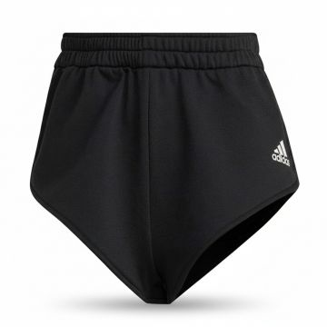 | Adidas | Women | Clothing | Shorts | FW | 04065429043898 | HG5976-BLACK_WHITE | HG5976-BLACK_WHITE-2XS | Adidas High-Waist Performance Shorts Black | BLACK_WHITE | 2XS | PH | 75% REC.PES/25% CV | 3 | €22.50 | €67.50 | €45.00 | €135.00
 | Adidas | Women | Clothing | Shorts | FW | 04065429040231 | HG5976-BLACK_WHITE | HG5976-BLACK_WHITE-XL | Adidas High-Waist Performance Shorts Black | BLACK_WHITE | XL | PH | 75% REC.PES/25% CV | 6 | €22.50 | €135.00 | €45.00 | €270.00
 | Adidas | Women | Clothing | Shorts | FW | 04065429040217 | HG5976-BLACK_WHITE | HG5976-BLACK_WHITE-XS | Adidas High-Waist Performance Shorts Black | BLACK_WHITE | XS | PH | 75% REC.PES/25% CV | 4 | €22.50 | €90.00 | €45.00 | €180.00
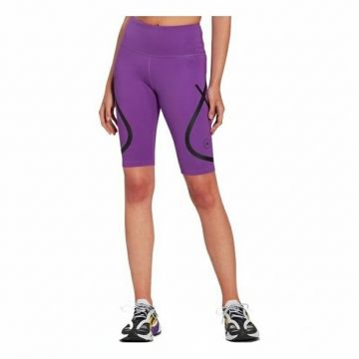 | Adidas | Women | Clothing | Leggings | FW | 04065429707011 | HG6867-PURPLE | HG6867-PURPLE-2XS | Adidas Stella McCartney High-Waist Bike Shorts Purple | Purple | 2XS | ID | 79% REC.PES/21% EL | 2 | €55.00 | €110.00 | €110.00 | €220.00
 | Adidas | Women | Clothing | Leggings | FW | 04065429707004 | HG6867-PURPLE | HG6867-PURPLE-L | Adidas Stella McCartney High-Waist Bike Shorts Purple | Purple | L | ID | 79% REC.PES/21% EL | 4 | €55.00 | €220.00 | €110.00 | €440.00
 | Adidas | Women | Clothing | Leggings | FW | 04065429707134 | HG6867-PURPLE | HG6867-PURPLE-M | Adidas Stella McCartney High-Waist Bike Shorts Purple | Purple | M | ID | 79% REC.PES/21% EL | 5 | €55.00 | €275.00 | €110.00 | €550.00
 | Adidas | Women | Clothing | Leggings | FW | 04065429707059 | HG6867-PURPLE | HG6867-PURPLE-S | Adidas Stella McCartney High-Waist Bike Shorts Purple | Purple | S | ID | 79% REC.PES/21% EL | 11 | €55.00 | €605.00 | €110.00 | €1,210.00
 | Adidas | Women | Clothing | Leggings | FW | 04065429706984 | HG6867-PURPLE | HG6867-PURPLE-XL | Adidas Stella McCartney High-Waist Bike Shorts Purple | Purple | XL | ID | 79% REC.PES/21% EL | 1 | €55.00 | €55.00 | €110.00 | €110.00
 | Adidas | Women | Clothing | Leggings | FW | 04065429707035 | HG6867-PURPLE | HG6867-PURPLE-XS | Adidas Stella McCartney High-Waist Bike Shorts Purple | Purple | XS | ID | 79% REC.PES/21% EL | 7 | €55.00 | €385.00 | €110.00 | €770.00
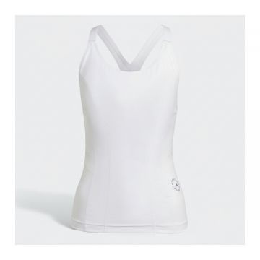 | Adidas | Women | Clothing | Tank Top | FW | 04065431039117 | HG6870-WHITE_PURPLE | HG6870-WHITE_PURPLE-2XS | Adidas White Sleeveless Tank Top | White_Purple | 2XS | ID | 79% REC.PES/21% EL | 4 | €47.50 | €190.00 | €95.00 | €380.00
 | Adidas | Women | Clothing | Tank Top | FW | 04065431036581 | HG6870-WHITE_PURPLE | HG6870-WHITE_PURPLE-L | Adidas White Sleeveless Tank Top | White_Purple | L | ID | 79% REC.PES/21% EL | 1 | €47.50 | €47.50 | €95.00 | €95.00
 | Adidas | Women | Clothing | Tank Top | FW | 04065431039179 | HG6870-WHITE_PURPLE | HG6870-WHITE_PURPLE-M | Adidas White Sleeveless Tank Top | White_Purple | M | ID | 79% REC.PES/21% EL | 6 | €47.50 | €285.00 | €95.00 | €570.00
 | Adidas | Women | Clothing | Tank Top | FW | 04065431039025 | HG6870-WHITE_PURPLE | HG6870-WHITE_PURPLE-S | Adidas White Sleeveless Tank Top | White_Purple | S | ID | 79% REC.PES/21% EL | 9 | €47.50 | €427.50 | €95.00 | €855.00
 | Adidas | Women | Clothing | Tank Top | FW | 04065431039162 | HG6870-WHITE_PURPLE | HG6870-WHITE_PURPLE-XL | Adidas White Sleeveless Tank Top | White_Purple | XL | ID | 79% REC.PES/21% EL | 1 | €47.50 | €47.50 | €95.00 | €95.00
 | Adidas | Women | Clothing | Tank Top | FW | 04065431039094 | HG6870-WHITE_PURPLE | HG6870-WHITE_PURPLE-XS | Adidas White Sleeveless Tank Top | White_Purple | XS | ID | 79% REC.PES/21% EL | 9 | €47.50 | €427.50 | €95.00 | €855.00
 | Adidas | Women | Clothing | Tank Top | FW | 04065431125520 | HG6881-WHITE | HG6881-WHITE-2XS | Adidas Wave Print Crop Tank Top White | WHITE | 2XS | ID | 79% REC.PES/21% EL | 7 | €47.50 | €332.50 | €95.00 | €665.00
 | Adidas | Women | Clothing | Tank Top | FW | 04065431121812 | HG6881-WHITE | HG6881-WHITE-M | Adidas Wave Print Crop Tank Top White | WHITE | M | ID | 79% REC.PES/21% EL | 34 | €47.50 | €1,615.00 | €95.00 | €3,230.00
 | Adidas | Women | Clothing | Tank Top | FW | 04065431125445 | HG6881-WHITE | HG6881-WHITE-S | Adidas Wave Print Crop Tank Top White | WHITE | S | ID | 79% REC.PES/21% EL | 34 | €47.50 | €1,615.00 | €95.00 | €3,230.00
 | Adidas | Women | Clothing | Tank Top | FW | 04065431125452 | HG6881-WHITE | HG6881-WHITE-XL | Adidas Wave Print Crop Tank Top White | WHITE | XL | ID | 79% REC.PES/21% EL | 11 | €47.50 | €522.50 | €95.00 | €1,045.00
 | Adidas | Women | Clothing | Tank Top | FW | 04065431125506 | HG6881-WHITE | HG6881-WHITE-XS | Adidas Wave Print Crop Tank Top White | WHITE | XS | ID | 79% REC.PES/21% EL | 12 | €47.50 | €570.00 | €95.00 | €1,140.00
 | Adidas | Women | Clothing | Shorts | FW | 04065429977902 | HH7237-YELLOW | HH7237-YELLOW-M 3" | Adidas Women's Running Shorts Light Green | Green | M 3" | VN | 100% REC.PES, 100% REC.PES | 10 | €35.00 | €350.00 | €70.00 | €700.00
 | Adidas | Women | Clothing | Shorts | FW | 04065429981619 | HH7237-YELLOW | HH7237-YELLOW-S 3" | Adidas Women's Running Shorts Light Green | Green | S 3" | VN | 100% REC.PES, 100% REC.PES | 11 | €35.00 | €385.00 | €70.00 | €770.00
 | Adidas | Women | Clothing | Shorts | FW | 04065429981633 | HH7237-YELLOW | HH7237-YELLOW-XS3" | Adidas Women's Running Shorts Light Green | Green | XS3" | VN | 100% REC.PES, 100% REC.PES | 30 | €35.00 | €1,050.00 | €70.00 | €2,100.00
 | Adidas | Women | Clothing | Bra | FW | 04065429749530 | HH7310-ORANGE | HH7310-ORANGE-1X | Adidas Seamless Striped Sports Bra Orange | Orange | 1X | CN | 73% REC.PES/19% REC.PA/8% EL | 18 | €25.00 | €450.00 | €50.00 | €900.00
 | Adidas | Women | Clothing | Bra | FW | 04065429749547 | HH7310-ORANGE | HH7310-ORANGE-2X | Adidas Seamless Striped Sports Bra Orange | Orange | 2X | CN | 73% REC.PES/19% REC.PA/8% EL | 12 | €25.00 | €300.00 | €50.00 | €600.00
 | Adidas | Women | Clothing | Bra | FW | 04065429749523 | HH7310-ORANGE | HH7310-ORANGE-3X | Adidas Seamless Striped Sports Bra Orange | Orange | 3X | CN | 73% REC.PES/19% REC.PA/8% EL | 8 | €25.00 | €200.00 | €50.00 | €400.00
 | Adidas | Women | Clothing | Leggings | FW | 04065429697008 | HH7312-ORANGE | HH7312-ORANGE-1X | Adidas Performance High Waist Leggings Orange | Orange | 1X | CN | 73% REC.PES/19% REC.PA/8% EL | 34 | €40.00 | €1,360.00 | €80.00 | €2,720.00
 | Adidas | Women | Clothing | Leggings | FW | 04065429697022 | HH7312-ORANGE | HH7312-ORANGE-2X | Adidas Performance High Waist Leggings Orange | Orange | 2X | CN | 73% REC.PES/19% REC.PA/8% EL | 26 | €40.00 | €1,040.00 | €80.00 | €2,080.00
 | Adidas | Women | Clothing | Leggings | FW | 04065429697015 | HH7312-ORANGE | HH7312-ORANGE-3X | Adidas Performance High Waist Leggings Orange | Orange | 3X | CN | 73% REC.PES/19% REC.PA/8% EL | 19 | €40.00 | €760.00 | €80.00 | €1,520.00
 | Adidas | Women | Clothing | Bra | FW | 04065429727101 | HH7313-NAVY | HH7313-NAVY-LAC | Adidas Navy Sports Bra Running Top | NAVY | LAC | TH | 79% REC.PES/21% EL | 1 | €40.00 | €40.00 | €80.00 | €80.00
 | Adidas | Women | Clothing | Bra | FW | 04065429726913 | HH7313-NAVY | HH7313-NAVY-MAC | Adidas Navy Sports Bra Running Top | NAVY | MAC | TH | 79% REC.PES/21% EL | 4 | €40.00 | €160.00 | €80.00 | €320.00
 | Adidas | Women | Clothing | Bra | FW | 04065429723424 | HH7313-NAVY | HH7313-NAVY-SAC | Adidas Navy Sports Bra Running Top | NAVY | SAC | TH | 79% REC.PES/21% EL | 2 | €40.00 | €80.00 | €80.00 | €160.00
 | Adidas | Women | Clothing | Bra | FW | 04065429726937 | HH7313-NAVY | HH7313-NAVY-XSAC | Adidas Navy Sports Bra Running Top | NAVY | XSAC | TH | 79% REC.PES/21% EL | 2 | €40.00 | €80.00 | €80.00 | €160.00
 | Adidas | Women | Clothing | Dresses | FW | 04065429723172 | HH7314-BLACK | HH7314-BLACK-2XS | Adidas Geometric Camo Quarter-Zip Dress Black | BLACK | 2XS | PH | 85% REC.PES/15% EL | 3 | €45.00 | €135.00 | €90.00 | €270.00
 | Adidas | Women | Clothing | Dresses | FW | 04065429723141 | HH7314-BLACK | HH7314-BLACK-M | Adidas Geometric Camo Quarter-Zip Dress Black | BLACK | M | PH | 85% REC.PES/15% EL | 5 | €45.00 | €225.00 | €90.00 | €450.00
 | Adidas | Women | Clothing | Dresses | FW | 04065429723288 | HH7314-BLACK | HH7314-BLACK-S | Adidas Geometric Camo Quarter-Zip Dress Black | BLACK | S | PH | 85% REC.PES/15% EL | 7 | €45.00 | €315.00 | €90.00 | €629.99
 | Adidas | Women | Clothing | Dresses | FW | 04065429723165 | HH7314-BLACK | HH7314-BLACK-XS | Adidas Geometric Camo Quarter-Zip Dress Black | BLACK | XS | PH | 85% REC.PES/15% EL | 8 | €45.00 | €360.00 | €90.00 | €719.99
 | Adidas | Women | Clothing | Long Sleeve T-shirts | FW | 04065429752646 | HH8500-BROWN | HH8500-BROWN-L | Adidas Ribbed Cropped Long Sleeve Top Brown | BROWN | L | Vietnam | 51% CO 42% PES 7% EA | 13 | €21.05 | €273.65 | €42.10 | €547.30
 | Adidas | Women | Clothing | Long Sleeve T-shirts | FW | 04065429752615 | HH8500-BROWN | HH8500-BROWN-M | Adidas Ribbed Cropped Long Sleeve Top Brown | BROWN | M | Vietnam | 51% CO 42% PES 7% EA | 11 | €21.05 | €231.55 | €42.10 | €463.10
 | Adidas | Women | Clothing | Long Sleeve T-shirts | FW | 04065429748953 | HH8500-BROWN | HH8500-BROWN-XL | Adidas Ribbed Cropped Long Sleeve Top Brown | BROWN | XL | Vietnam | 51% CO 42% PES 7% EA | 3 | €21.05 | €63.15 | €42.10 | €126.30
 | Adidas | Women | Clothing | Bra | FW | 04065429744559 | HI4755-BLACK_YELLOW | HI4755-BLACK_YELLOW-M | Adidas Seamless Racerback Sports Bra Black Yellow | Black_Yellow | M | China | 100% seamless fully fashion | 3 | €47.50 | €142.50 | €95.00 | €285.00
 | Adidas | Women | Clothing | Bra | FW | 04065429744535 | HI4755-BLACK_YELLOW | HI4755-BLACK_YELLOW-S | Adidas Seamless Racerback Sports Bra Black Yellow | Black_Yellow | S | China | 100% seamless fully fashion | 8 | €47.50 | €380.00 | €95.00 | €760.00
 | Adidas | Women | Clothing | Bra | FW | 04065429744528 | HI4755-BLACK_YELLOW | HI4755-BLACK_YELLOW-XS | Adidas Seamless Racerback Sports Bra Black Yellow | Black_Yellow | XS | China | 100% seamless fully fashion | 4 | €47.50 | €190.00 | €95.00 | €380.00
 | Adidas | Women | Clothing | Tank Top | FW | 04065431068124 | HI6032-GREEN | HI6032-GREEN-2XS | Adidas TruePurpose Crop Tank Green | Green | 2XS | ID | 79% REC.PES/21% EL | 2 | €47.50 | €95.00 | €95.00 | €190.00
 | Adidas | Women | Clothing | Tank Top | FW | 04065431068162 | HI6032-GREEN | HI6032-GREEN-L | Adidas TruePurpose Crop Tank Green | Green | L | ID | 79% REC.PES/21% EL | 1 | €47.50 | €47.50 | €95.00 | €95.00
 | Adidas | Women | Clothing | Tank Top | FW | 04065431068209 | HI6032-GREEN | HI6032-GREEN-XS | Adidas TruePurpose Crop Tank Green | Green | XS | ID | 79% REC.PES/21% EL | 4 | €47.50 | €190.00 | €95.00 | €380.00
 | Adidas | Women | Clothing | Tank Top | FW | 04065431129283 | HI6036-GREEN | HI6036-GREEN-2XS | Adidas Wavy Print Crop Tank Top Green | Green | 2XS | ID | 79% REC.PES/21% EL | 2 | €47.50 | €95.00 | €95.00 | €190.00
...

